Daily Power Station Chart_14-01
Plant_20/07/2025Chart

Plant:odco1 |  |  | Installed Capacity:111.180kWp
Today Yield(kWh):585.800kWh |  | Today Earning:234320.000TND |  | Today Full Load Hours(h):5.27h

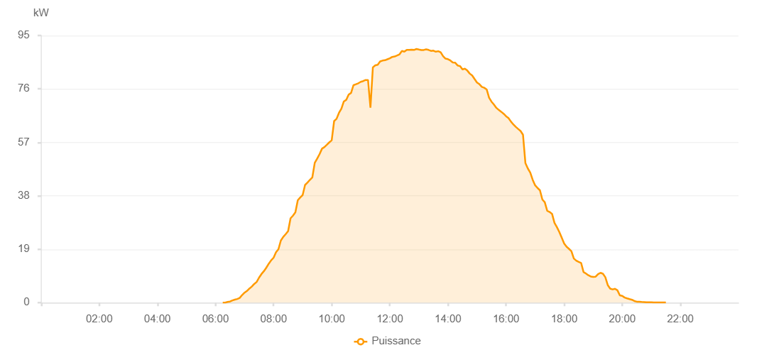

Number | Time | Working State | PV(W) | Instantaneous Radiation(W/㎡)
1 | 06:15:00 | Online | 20.00000 | 0
2 | 06:20:00 | Online | 20.00000 | 0
3 | 06:25:00 | Online | 240.00000 | 2.00000
4 | 06:30:00 | Online | 390.00000 | 3.00000
5 | 06:35:00 | Online | 800.00000 | 6.00000
6 | 06:40:00 | Online | 1060.00000 | 9.00000
7 | 06:45:00 | Online | 1300.00000 | 14.00000
8 | 06:50:00 | Online | 1680.00000 | 19.00000
9 | 06:55:00 | Online | 2700.00000 | 27.00000
10 | 07:00:00 | Online | 3540.00000 | 34.00000
11 | 07:05:00 | Online | 4160.00000 | 44.00000
12 | 07:10:00 | Online | 5000.00000 | 53.00000
13 | 07:15:00 | Online | 5710.00000 | 64.00000
14 | 07:20:00 | Online | 6650.00000 | 77.00000
15 | 07:25:00 | Online | 7350.00000 | 91.00000
16 | 07:30:00 | Online | 8900.00000 | 106.00000
17 | 07:35:00 | Online | 10180.00000 | 122.00000
18 | 07:40:00 | Online | 11190.00000 | 140.00000
19 | 07:45:00 | Online | 12440.00000 | 154.00000
20 | 07:50:00 | Online | 13840.00000 | 170.00000
21 | 07:55:00 | Online | 15060.00000 | 184.00000
22 | 08:00:00 | Online | 15970.00000 | 200.00000
23 | 08:05:00 | Online | 17910.00000 | 218.00000
24 | 08:10:00 | Online | 19000.00000 | 236.00000
25 | 08:15:00 | Online | 22090.00000 | 256.00000
26 | 08:20:00 | Online | 23380.00000 | 275.00000
27 | 08:25:00 | Online | 24360.00000 | 294.00000
28 | 08:30:00 | Online | 25430.00000 | 311.00000
29 | 08:35:00 | Online | 29990.00000 | 331.00000
30 | 08:40:00 | Online | 30930.00000 | 346.00000
31 | 08:45:00 | Online | 32130.00000 | 368.00000
32 | 08:50:00 | Online | 36410.00000 | 388.00000
33 | 08:55:00 | Online | 37410.00000 | 405.00000
34 | 09:00:00 | Online | 38250.00000 | 422.00000
35 | 09:05:00 | Online | 41850.00000 | 441.00000
36 | 09:10:00 | Online | 42710.00000 | 459.00000
37 | 09:15:00 | Online | 43680.00000 | 478.00000
38 | 09:20:00 | Online | 44560.00000 | 496.00000
39 | 09:25:00 | Online | 49720.00000 | 512.00000
40 | 09:30:00 | Online | 51230.00000 | 530.00000
41 | 09:35:00 | Online | 52830.00000 | 543.00000
42 | 09:40:00 | Online | 54760.00000 | 561.00000
43 | 09:45:00 | Online | 55320.00000 | 579.00000
44 | 09:50:00 | Online | 56130.00000 | 595.00000
45 | 09:55:00 | Online | 57000.00000 | 609.00000
46 | 10:00:00 | Online | 57730.00000 | 627.00000
47 | 10:05:00 | Online | 64570.00000 | 643.00000
48 | 10:10:00 | Online | 65360.00000 | 660.00000
49 | 10:15:00 | Online | 67480.00000 | 673.00000
50 | 10:20:00 | Online | 68970.00000 | 687.00000
51 | 10:25:00 | Online | 71530.00000 | 701.00000
52 | 10:30:00 | Online | 72110.00000 | 711.00000
53 | 10:35:00 | Online | 73980.00000 | 723.00000
54 | 10:40:00 | Online | 74580.00000 | 735.00000
55 | 10:45:00 | Online | 77330.00000 | 753.00000
56 | 10:50:00 | Online | 77660.00000 | 767.00000
57 | 10:55:00 | Online | 78010.00000 | 780.00000
58 | 11:00:00 | Online | 78530.00000 | 782.00000
59 | 11:05:00 | Online | 78780.00000 | 794.00000
60 | 11:10:00 | Online | 79180.00000 | 807.00000
61 | 11:15:00 | Online | 79180.00000 | 807.00000
62 | 11:20:00 | Online | 69330.00000 | 818.00000
63 | 11:25:00 | Online | 83660.00000 | 832.00000
64 | 11:30:00 | Online | 84410.00000 | 844.00000
65 | 11:35:00 | Online | 84570.00000 | 848.00000
66 | 11:40:00 | Online | 85790.00000 | 854.00000
67 | 11:45:00 | Online | 86080.00000 | 862.00000
68 | 11:50:00 | Online | 86200.00000 | 870.00000
69 | 11:55:00 | Online | 86540.00000 | 873.00000
70 | 12:00:00 | Online | 86880.00000 | 876.00000
71 | 12:05:00 | Online | 87380.00000 | 880.00000
72 | 12:10:00 | Online | 87540.00000 | 885.00000
73 | 12:15:00 | Online | 87900.00000 | 889.00000
74 | 12:20:00 | Online | 88290.00000 | 897.00000
75 | 12:25:00 | Online | 89490.00000 | 905.00000
76 | 12:30:00 | Online | 89240.00000 | 901.00000
77 | 12:35:00 | Online | 89900.00000 | 909.00000
78 | 12:40:00 | Online | 89870.00000 | 908.00000
79 | 12:45:00 | Online | 89950.00000 | 911.00000
80 | 12:50:00 | Online | 89870.00000 | 912.00000
81 | 12:55:00 | Online | 90200.00000 | 911.00000
82 | 13:00:00 | Online | 90010.00000 | 910.00000
83 | 13:05:00 | Online | 89850.00000 | 906.00000
84 | 13:10:00 | Online | 89850.00000 | 907.00000
85 | 13:15:00 | Online | 90080.00000 | 904.00000
86 | 13:20:00 | Online | 89870.00000 | 900.00000
87 | 13:25:00 | Online | 89520.00000 | 897.00000
88 | 13:30:00 | Online | 89630.00000 | 895.00000
89 | 13:35:00 | Online | 89240.00000 | 889.00000
90 | 13:40:00 | Online | 89420.00000 | 884.00000
91 | 13:45:00 | Online | 89030.00000 | 875.00000
92 | 13:50:00 | Online | 87650.00000 | 872.00000
93 | 13:55:00 | Online | 86770.00000 | 867.00000
94 | 14:00:00 | Online | 86590.00000 | 865.00000
95 | 14:05:00 | Online | 86120.00000 | 858.00000
96 | 14:10:00 | Online | 85420.00000 | 851.00000
97 | 14:15:00 | Online | 85320.00000 | 849.00000
98 | 14:20:00 | Online | 84350.00000 | 834.00000
99 | 14:25:00 | Online | 84120.00000 | 827.00000
100 | 14:30:00 | Online | 82940.00000 | 823.00000
101 | 14:35:00 | Online | 83180.00000 | 813.00000
102 | 14:40:00 | Online | 82540.00000 | 808.00000
103 | 14:45:00 | Online | 81460.00000 | 798.00000
104 | 14:50:00 | Online | 80810.00000 | 778.00000
105 | 14:55:00 | Online | 79530.00000 | 776.00000
106 | 15:00:00 | Online | 78280.00000 | 762.00000
107 | 15:05:00 | Online | 77680.00000 | 762.00000
108 | 15:10:00 | Online | 76710.00000 | 738.00000
109 | 15:15:00 | Online | 76400.00000 | 734.00000
110 | 15:20:00 | Online | 75830.00000 | 730.00000
111 | 15:25:00 | Online | 72900.00000 | 704.00000
112 | 15:30:00 | Online | 71460.00000 | 681.00000
113 | 15:35:00 | Online | 70450.00000 | 672.00000
114 | 15:40:00 | Online | 69270.00000 | 661.00000
115 | 15:45:00 | Online | 68530.00000 | 645.00000
116 | 15:50:00 | Online | 67880.00000 | 630.00000
117 | 15:55:00 | Online | 67170.00000 | 612.00000
118 | 16:00:00 | Online | 66310.00000 | 602.00000
119 | 16:05:00 | Online | 65660.00000 | 590.00000
120 | 16:10:00 | Online | 64410.00000 | 565.00000
121 | 16:15:00 | Online | 63390.00000 | 554.00000
122 | 16:20:00 | Online | 62530.00000 | 536.00000
123 | 16:25:00 | Online | 61770.00000 | 519.00000
124 | 16:30:00 | Online | 61040.00000 | 501.00000
125 | 16:35:00 | Online | 59710.00000 | 487.00000
126 | 16:40:00 | Online | 49600.00000 | 472.00000
127 | 16:45:00 | Online | 47720.00000 | 454.00000
128 | 16:50:00 | Online | 46250.00000 | 437.00000
129 | 16:55:00 | Online | 43710.00000 | 416.00000
130 | 17:00:00 | Online | 41750.00000 | 404.00000
131 | 17:05:00 | Online | 40770.00000 | 383.00000
132 | 17:10:00 | Online | 39960.00000 | 367.00000
133 | 17:15:00 | Online | 36680.00000 | 351.00000
134 | 17:20:00 | Online | 35690.00000 | 335.00000
135 | 17:25:00 | Online | 32660.00000 | 316.00000
136 | 17:30:00 | Online | 32240.00000 | 298.00000
137 | 17:35:00 | Online | 31590.00000 | 284.00000
138 | 17:40:00 | Online | 28370.00000 | 265.00000
139 | 17:45:00 | Online | 26860.00000 | 248.00000
140 | 17:50:00 | Online | 25130.00000 | 229.00000
141 | 17:55:00 | Online | 23080.00000 | 213.00000
142 | 18:00:00 | Online | 21040.00000 | 193.00000
143 | 18:05:00 | Online | 19870.00000 | 178.00000
144 | 18:10:00 | Online | 19130.00000 | 165.00000
145 | 18:15:00 | Online | 18290.00000 | 150.00000
146 | 18:20:00 | Online | 15680.00000 | 136.00000
147 | 18:25:00 | Online | 14930.00000 | 122.00000
148 | 18:30:00 | Online | 14500.00000 | 109.00000
149 | 18:35:00 | Online | 14130.00000 | 98.00000
150 | 18:40:00 | Online | 10880.00000 | 88.00000
151 | 18:45:00 | Online | 10340.00000 | 74.00000
152 | 18:50:00 | Online | 9730.00000 | 66.00000
153 | 18:55:00 | Online | 9300.00000 | 64.00000
154 | 19:00:00 | Online | 9150.00000 | 66.00000
155 | 19:05:00 | Online | 9230.00000 | 66.00000
156 | 19:10:00 | Online | 10120.00000 | 70.00000
157 | 19:15:00 | Online | 10600.00000 | 79.00000
158 | 19:20:00 | Online | 10290.00000 | 77.00000
159 | 19:25:00 | Online | 9050.00000 | 75.00000
160 | 19:30:00 | Online | 6260.00000 | 61.00000
161 | 19:35:00 | Online | 4990.00000 | 47.00000
162 | 19:40:00 | Online | 4700.00000 | 40.00000
163 | 19:45:00 | Online | 4930.00000 | 39.00000
164 | 19:50:00 | Online | 4380.00000 | 31.00000
165 | 19:55:00 | Online | 2570.00000 | 27.00000
166 | 20:00:00 | Online | 2380.00000 | 23.00000
167 | 20:05:00 | Online | 1800.00000 | 19.00000
168 | 20:10:00 | Online | 1510.00000 | 16.00000
169 | 20:15:00 | Online | 1260.00000 | 14.00000
170 | 20:20:00 | Online | 1020.00000 | 10.00000
171 | 20:25:00 | Online | 580.00000 | 8.00000
172 | 20:30:00 | Online | 340.00000 | 6.00000
173 | 20:35:00 | Online | 300.00000 | 4.00000
174 | 20:40:00 | Online | 230.00000 | 3.00000
175 | 20:45:00 | Online | 190.00000 | 2.00000
176 | 20:50:00 | Online | 150.00000 | 0
177 | 20:55:00 | Online | 150.00000 | 1.00000
178 | 21:00:00 | Online | 150.00000 | 0
179 | 21:05:00 | Online | 40.00000 | 0
180 | 21:10:00 | Online | 40.00000 | 0
181 | 21:15:00 | Online | 50.00000 | 0
182 | 21:20:00 | Online | 40.00000 | 0
183 | 21:25:00 | Online | 40.00000 | 0
184 | 21:30:00 | Online | 40.00000 | 0
185 | 21:55:00 | Online | 0.00001 | 0.00001

